HeatMap Python
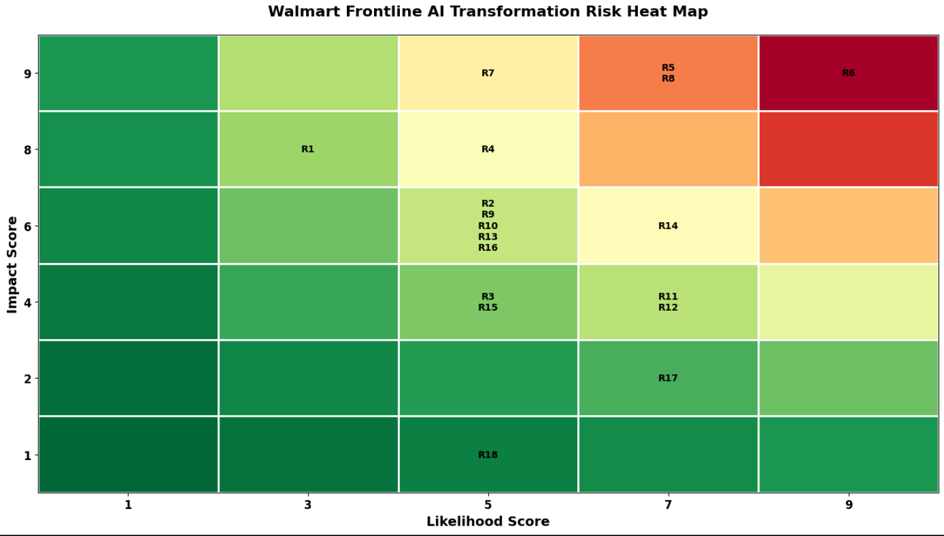
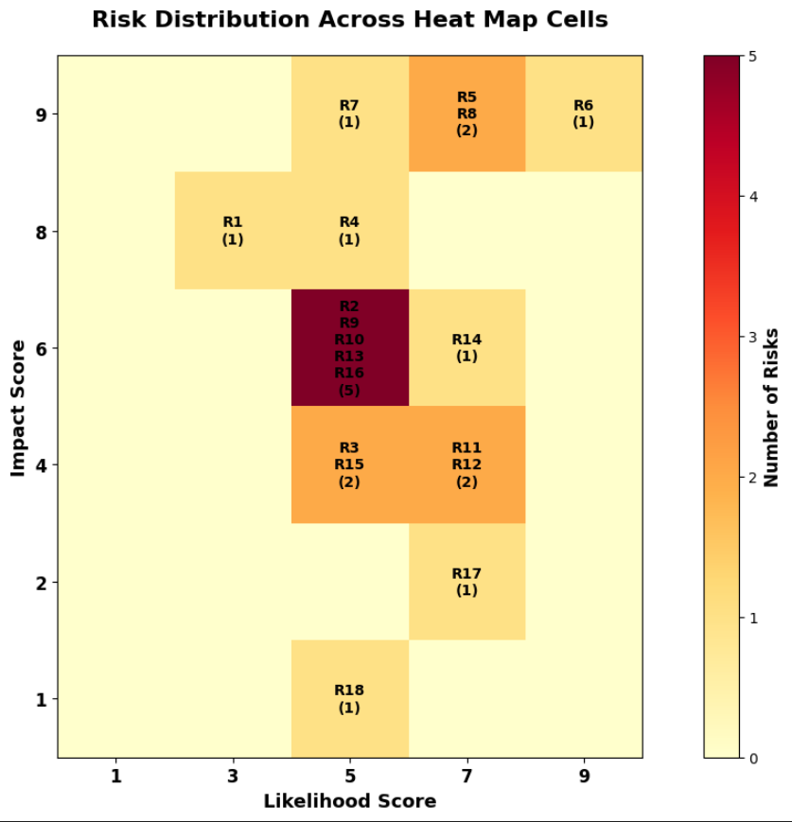

Risk Heat Map Interpretation: The risk heat map illustrates the distribution of identified risks based on their likelihood and impact scores. The horizontal axis represents the likelihood of occurrence, while the vertical axis represents the potential business impact. Each risk was positioned according to its assessed likelihood and impact score, and the color gradient reflects the corresponding total risk score (Likelihood × Impact). The heat map indicates that the highest-priority risks are concentrated in the upper-right region of the matrix, where both likelihood and impact are elevated. Key risks within this area include Inventory Forecast Error (R9), Stockout Risk (R10), Fulfillment Disruption (R13), Legacy System Integration Failure (R26), Vendor Dependency (R27), Customer Data Breach (R28), ROI Realization Failure (R4), and System Downtime (R25). These risks have the greatest potential to affect Walmart’s frontline AI transformation and therefore require the highest level of management attention and mitigation planning. Lower-priority risks such as Expected Labor Cost Reduction Not Achieved (R8) and Algorithmic Bias & Ethical AI Issues (R30) are positioned in the lower-left portion of the matrix, indicating relatively lower business impact and/or likelihood.

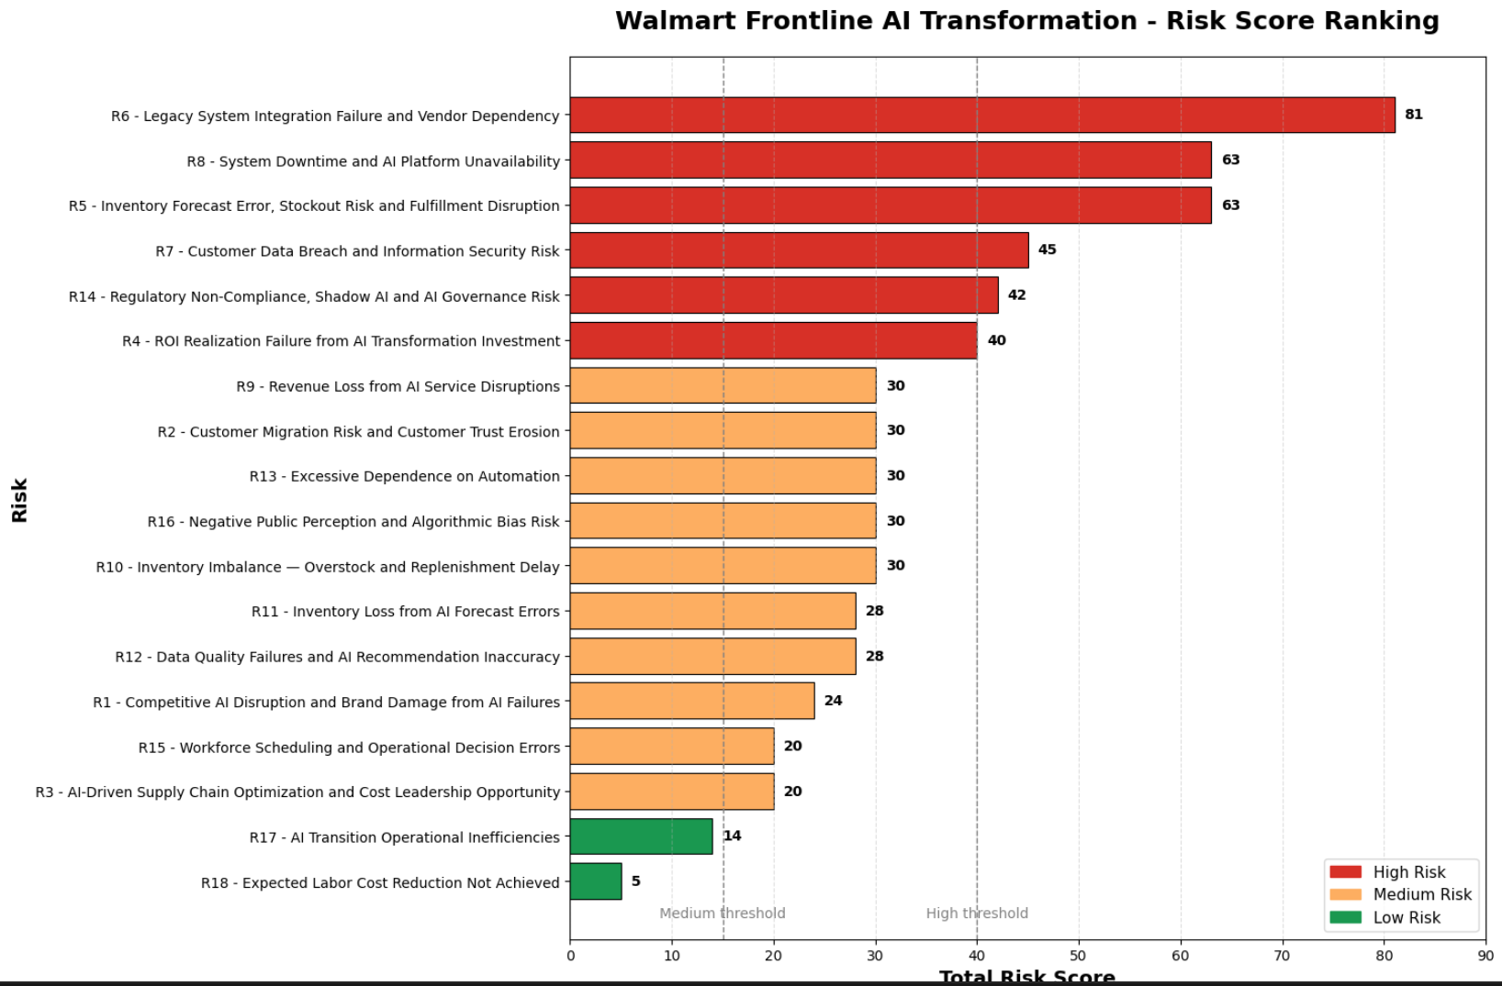

Risk Score Ranking Interpretation: The risk score ranking chart presents all identified risks in descending order based on their total risk scores, calculated as the product of likelihood and impact. This visualization supports management prioritization by clearly identifying which risks pose the greatest threat to the successful implementation of Walmart’s frontline AI transformation initiatives. The results show that Inventory Forecast Error (R9), Stockout Risk (R10), and Fulfillment Disruption (R13) are the highest-ranked risks, each receiving a total risk score of 56. These are followed by Legacy System Integration Failure (R26) and Vendor Dependency (R27), both with scores of 42, and Customer Data Breach (R28), ROI Realization Failure (R4), and System Downtime (R25), each with scores of 40. These risks represent the most significant operational, technical, and strategic concerns and should be prioritized for monitoring, mitigation, and executive oversight. In contrast, lower-ranked risks such as Expected Labor Cost Reduction Not Achieved (R8) and Algorithmic Bias & Ethical AI Issues (R30) have comparatively lower risk scores and may require less immediate management attention.

Risk Threshold Definition
Risk Level | Score Range | Color
Low risk | 1~14
Medium risk | 15~39
High risk | 40~81

These thresholds were consistently applied throughout both the Excel and Python heat maps. Risks classified as High Risk require immediate management attention and active mitigation strategies. Medium Risk items should be monitored and managed through appropriate controls, while Low Risk items may be accepted, monitored periodically, or addressed through routine operational management processes.

